Pivot Table Excercises 1
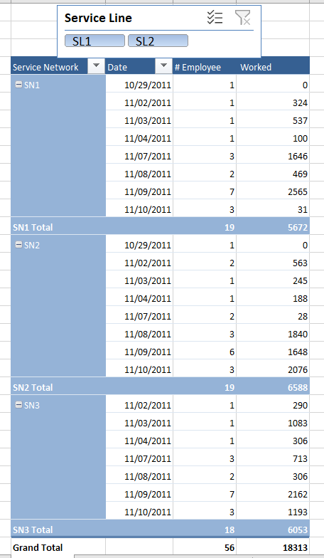
Pivot Table: Part 1
Exercise 1. Make Similar report using Excel Pivot Table

Employee | Service Line | Service Network | Date | Hours Worked
Padhy, Subhransu | SL1 | SN1 | 10/29/2011 | 0
Narayana, Vishwanatha (KGS) | SL2 | SN2 | 10/29/2011 | 0
Jonnalagadda, Lakshmi Chamandeswari (KGS) | SL1 | SN3 | 11/03/2011 | 1083
Narayana, Vishwanatha (KGS) | SL2 | SN1 | 11/03/2011 | 537
Padhy, Subhransu | SL1 | SN2 | 11/03/2011 | 245 | Service Network | Date | Values
Jonnalagadda, Lakshmi Chamandeswari (KGS) | SL2 | SN3 | 11/04/2011 | 306 | SN1
Narayana, Vishwanatha (KGS) | SL1 | SN1 | 11/08/2011 | 0 |  | 29-Oct
Narayana, Vishwanatha (KGS) | SL2 | SN2 | 11/08/2011 | 1164 |  |  | #Count of Employee | 1.00
Jonnalagadda, Lakshmi Chamandeswari (KGS) | SL1 | SN3 | 11/09/2011 | 131 |  |  | Sum of Hours Worked | 0
Jonnalagadda, Lakshmi Chamandeswari (KGS) | SL2 | SN1 | 11/09/2011 | 78 |  | 02-Nov
Narayana, Vishwanatha (KGS) | SL1 | SN2 | 11/09/2011 | 0 |  |  | #Count of Employee | 1.00
Hanumantharaya, Akshaya | SL2 | SN3 | 11/07/2011 | 713 |  |  | Sum of Hours Worked | 324
Hanumantharaya, Akshaya | SL1 | SN1 | 11/07/2011 | 390 |  | 03-Nov
Hanumantharaya, Akshaya | SL2 | SN2 | 11/07/2011 | 0 |  |  | #Count of Employee | 1.00
Hanumantharaya, Akshaya | SL1 | SN3 | 11/07/2011 | 0 |  |  | Sum of Hours Worked | 537
Hanumantharaya, Akshaya | SL2 | SN1 | 11/07/2011 | 482 |  | 04-Nov
Hanumantharaya, Akshaya | SL1 | SN2 | 11/07/2011 | 28 |  |  | #Count of Employee | 1.00
Hanumantharaya, Akshaya | SL2 | SN3 | 11/07/2011 | 0 |  |  | Sum of Hours Worked | 100
Hanumantharaya, Akshaya | SL1 | SN1 | 11/07/2011 | 774 |  | 07-Nov
Hanumantharaya, Akshaya | SL2 | SN2 | 11/08/2011 | 577 |  |  | #Count of Employee | 3.00
Hanumantharaya, Akshaya | SL1 | SN3 | 11/08/2011 | 267 |  |  | Sum of Hours Worked | 1646
Hanumantharaya, Akshaya | SL2 | SN1 | 11/08/2011 | 469 |  | 08-Nov
Hanumantharaya, Akshaya | SL1 | SN2 | 11/08/2011 | 99 |  |  | #Count of Employee | 2.00
Hanumantharaya, Akshaya | SL2 | SN3 | 11/08/2011 | 39 |  |  | Sum of Hours Worked | 469
Hanumantharaya, Akshaya | SL1 | SN1 | 11/09/2011 | 1034 |  | 09-Nov
Hanumantharaya, Akshaya | SL2 | SN2 | 11/09/2011 | 199 |  |  | #Count of Employee | 7.00
Hanumantharaya, Akshaya | SL1 | SN3 | 11/09/2011 | 60 |  |  | Sum of Hours Worked | 2565
Hanumantharaya, Akshaya | SL2 | SN1 | 11/09/2011 | 268 |  | 10-Nov
Hanumantharaya, Akshaya | SL1 | SN2 | 11/10/2011 | 146 |  |  | #Count of Employee | 3.00
Hanumantharaya, Akshaya | SL2 | SN3 | 11/10/2011 | 721 |  |  | Sum of Hours Worked | 31
Hanumantharaya, Akshaya | SL1 | SN1 | 11/10/2011 | 0 | SN1 #Count of Employee |  |  | 19.00
Hanumantharaya, Akshaya | SL2 | SN2 | 11/10/2011 | 1003 | SN1 Sum of Hours Worked |  |  | 5672
Hanumantharaya, Akshaya | SL1 | SN3 | 11/10/2011 | 208 | SN2
Hanumantharaya, Akshaya | SL2 | SN1 | 11/10/2011 | 0 |  | 29-Oct
Hanumantharaya, Akshaya | SL1 | SN2 | 11/10/2011 | 927 |  |  | #Count of Employee | 1.00
Hanumantharaya, Akshaya | SL2 | SN3 | 11/10/2011 | 264 |  |  | Sum of Hours Worked | 0
Hanumantharaya, Akshaya | SL1 | SN1 | 11/10/2011 | 31 |  | 02-Nov
Nagaraj, Manjnath | SL2 | SN2 | 11/02/2011 | 526 |  |  | #Count of Employee | 2.00
Nagaraj, Manjnath | SL1 | SN3 | 11/09/2011 | 184 |  |  | Sum of Hours Worked | 563
Nagaraj, Manjnath | SL2 | SN1 | 11/09/2011 | 118 |  | 03-Nov
Nagaraj, Manjnath | SL1 | SN2 | 11/09/2011 | 38 |  |  | #Count of Employee | 1.00
Nagaraj, Manjnath | SL2 | SN3 | 11/09/2011 | 0 |  |  | Sum of Hours Worked | 245
Nagaraj, Manjnath | SL1 | SN1 | 11/09/2011 | 316 |  | 04-Nov
Nagaraj, Manjnath | SL2 | SN2 | 11/09/2011 | 165 |  |  | #Count of Employee | 1.00
Nagaraj, Manjnath | SL1 | SN3 | 11/09/2011 | 942 |  |  | Sum of Hours Worked | 188
Nagaraj, Manjnath | SL2 | SN1 | 11/09/2011 | 37 |  | 07-Nov
Nagaraj, Manjnath | SL1 | SN2 | 11/09/2011 | 122 |  |  | #Count of Employee | 2.00
Nagaraj, Manjnath | SL2 | SN3 | 11/09/2011 | 474 |  |  | Sum of Hours Worked | 28
Nagaraj, Manjnath | SL1 | SN1 | 11/09/2011 | 714 |  | 08-Nov
Nagaraj, Manjnath | SL2 | SN2 | 11/09/2011 | 1124 |  |  | #Count of Employee | 3.00
Nagaraj, Manjnath | SL1 | SN3 | 11/09/2011 | 371 |  |  | Sum of Hours Worked | 1840
Medhora, Karl | SL2 | SN1 | 11/02/2011 | 324 |  | 09-Nov
Medhora, Karl | SL1 | SN2 | 11/02/2011 | 37 |  |  | #Count of Employee | 6.00
Medhora, Karl | SL2 | SN3 | 11/02/2011 | 290 |  |  | Sum of Hours Worked | 1648
Medhora, Karl | SL1 | SN1 | 11/04/2011 | 100 |  | 10-Nov
Medhora, Karl | SL2 | SN2 | 11/04/2011 | 188 |  |  | #Count of Employee | 3.00
 |  |  |  |  |  |  | Sum of Hours Worked | 2076
 |  |  |  |  | SN2 #Count of Employee |  |  | 19.00
 |  |  |  |  | SN2 Sum of Hours Worked |  |  | 6588
 |  |  |  |  | SN3
 |  |  |  |  |  | 02-Nov
 |  |  |  |  |  |  | #Count of Employee | 1.00
 |  |  |  |  |  |  | Sum of Hours Worked | 290
 |  |  |  |  |  | 03-Nov
 |  |  |  |  |  |  | #Count of Employee | 1.00
 |  |  |  |  |  |  | Sum of Hours Worked | 1083
 |  |  |  |  |  | 04-Nov
 |  |  |  |  |  |  | #Count of Employee | 1.00
 |  |  |  |  |  |  | Sum of Hours Worked | 306
 |  |  |  |  |  | 07-Nov
 |  |  |  |  |  |  | #Count of Employee | 3.00
 |  |  |  |  |  |  | Sum of Hours Worked | 713
 |  |  |  |  |  | 08-Nov
 |  |  |  |  |  |  | #Count of Employee | 2.00
 |  |  |  |  |  |  | Sum of Hours Worked | 306
 |  |  |  |  |  | 09-Nov
 |  |  |  |  |  |  | #Count of Employee | 7.00
 |  |  |  |  |  |  | Sum of Hours Worked | 2162
 |  |  |  |  |  | 10-Nov
 |  |  |  |  |  |  | #Count of Employee | 3.00
 |  |  |  |  |  |  | Sum of Hours Worked | 1193
 |  |  |  |  | SN3 #Count of Employee |  |  | 18.00
 |  |  |  |  | SN3 Sum of Hours Worked |  |  | 6053
 |  |  |  |  | Total #Count of Employee |  |  | 56.00
 |  |  |  |  | Total Sum of Hours Worked |  |  | 18313

